Sheet1
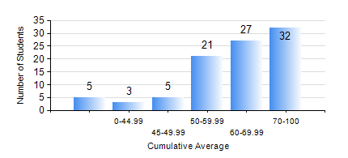
 |  |  | KWAME NKRUMAH UNIVERSITY OF SCIENCE AND TECHNOLOGY, KUMASI Department of Petroleum Engineering

 |  |  | BSC. PETROLEUM ENG.

 |  |  | COMPREHENSIVE RECORD OF EXAMINATION RESULTS

 |  |  | RESULTS OF YEAR 1 FIRST SEMESTER, 2023/2024 ACADEMIC YEAR

 | Sn | Course Code |  | Course Name | Credit Hours | Min. Mark | Max. Mark | Avg. Mark | Std. Dev. | No. Passed | No. Trailed | No. (Df) | No. (I) | No. (I*) | No. Tagged(I,I*,Df) | Total
 | 0. |  |  |  |  |  |  | 0 | 0 | 0 | 0 | 0 | 0 | 0 | 0 | 6
 | 1. | CHEM 169 |  | PRACTICAL CHEMISTRY I | 3 | 0 | 88 | 79 | 9.59 | 86 | 1 | 0 | 0 | 0 | 0 | 87
 | 2. | EE 151 |  | APPLIED ELECTRICITY | 3 | 4 | 99 | 67 | 17.77 | 86 | 1 | 0 | 0 | 0 | 0 | 87
 | 3. | ENGL 157 |  | COMMUNICATION SKILLS I | 2 | 0 | 90 | 70 | 13.95 | 85 | 2 | 0 | 0 | 0 | 0 | 87
 | 4. | MATH 151 |  | ALGEBRA | 4 | 20 | 90 | 59 | 13.58 | 84 | 3 | 0 | 0 | 0 | 0 | 87
 | 5. | ME 159 |  | TECHNICAL DRAWING | 2 | 7 | 84 | 61 | 11.07 | 86 | 1 | 0 | 0 | 0 | 0 | 87
 | 6. | PE 151 |  | INORGANIC CHEMISTRY FOR ENGINEERS | 2 | 1 | 88 | 57 | 16.33 | 79 | 8 | 0 | 0 | 0 | 0 | 87
 | 7. | PE 153 |  | ORGANIC CHEMISTRY FOR ENGINEERS | 2 | 10 | 90 | 57 | 15.29 | 84 | 3 | 0 | 0 | 0 | 0 | 87
 | 8. | PE 155 |  | INTRODUCTION TO INFORMATION TECHNOLOGY | 2 | 24 | 92 | 71 | 11.44 | 85 | 1 | 0 | 1 | 0 | 1 | 87

